Legend
Column1 | Column2
MegaSheet | All Data
NanoDrop | Genomic Data Only
Miscellaneous | Other Data

Procedure | Lasted about 25 mins per sample
Dives | Lasted about 1hr per dive

Location | Count of Sample ID
Ceiba | 9
Culebra | 10
Guanica | 3
Guayama | 3
Isabela | 5
Luquillo | 4
Ponce | 4
Rincon | 10
(blank)
Grand Total | 48
 |  | Municipality | 1.5 in | 2 in | 2.5 in | 2.75 in | 3 in | 3.5 in | 4.5 in | Total
 |  | Ceiba |  | 2 | 6 | 1 |  |  |  | 9
 |  | Culebra |  | 1 |  | 2 | 3 | 4 |  | 10
 |  | Guanica | 1 | 1 |  |  | 1 |  |  | 3
 |  | Guayama | 1 | 1 | 1 |  |  |  |  | 3
 |  | Isabela | 1 |  | 1 | 1 | 1 |  | 1 | 5
 |  | Luquillo |  |  | 3 |  | 1 |  |  | 4
 |  | Ponce |  | 1 |  | 1 | 2 |  |  | 4
 |  | Rincon |  | 1 | 4 | 3 | 2 |  |  | 10
 |  | Total | 4 | 7 | 15 | 8 | 10 | 4 | 1 | 48

 | 1.5 in | 2 in | 2.5 in | 2.75in | 2.75 in | 3 in | 3.5 in | 4.5 in
Ceiba | 0 | 2 | 6 | 0 | 1 | 0 | 0 | 0
Culebra | 0 | 1 | 0 | 0 | 2 | 3 | 4 | 0
Guanica | 1 | 1 | 0 | 0 | 0 | 1 | 0 | 0
Guayama | 1 | 1 | 1 | 0 | 0 | 0 | 0 | 0
Isabela | 1 | 0 | 0 | 1 | 1 | 1 | 0 | 1
Luquillo | 0 | 0 | 3 | 0 | 0 | 1 | 0 | 0
Ponce | 0 | 1 | 0 | 0 | 1 | 2 | 0 | 0
Rincon | 0 | 1 | 4 | 0 | 3 | 2 | 0 | 0

 | Total
G10 | 213.1
G11 | 95.9
G12 | 116.7
G13 | 234.7
G2 | 108.1
G4 | 78.5
G7 | 44.5
G8 | 126.8
G9 | 89.9
E1 | 136.6
E10 | 96.3
E11 | 102.9
E12 | 159.7
E2 | 167.8
E3 | 95.2
E5 | 124.2
E6 | 141.4
E8 | 397
E9 | 177
H4 | 138.3
H5 | 412.7
H6 | 143.3
F1 | 262.2
F2 | 132.1
F3 | 52.3
C1 | 144
C2 | 77.3
C3 | 125.8
C5 | 85.1
C6 | 272.5
D1 | 101.9
D2 | 50.2
D4 | 187.5
D5 | 139.3
B2 | 99.8
B3 | 341.1
B5 | 58
B6 | 135.6
A10 | 55
A12 | 71.9
A13 | 106
A14 | 69.4
A15 | 227.7
A2 | 216
A3 | 66.8
A5 | 76.3
A7 | 173
A9 | 175
(blank)
Row Labels | Sum of Concentration ng/ul
Ceiba | 1108.2
G10 | 213.1
G11 | 95.9
G12 | 116.7
G13 | 234.7
G2 | 108.1
G4 | 78.5
G7 | 44.5
G8 | 126.8
G9 | 89.9
Culebra | 1598.1
E1 | 136.6
E10 | 96.3
E11 | 102.9
E12 | 159.7
E2 | 167.8
E3 | 95.2
E5 | 124.2
E6 | 141.4
E8 | 397
E9 | 177
Guanica | 694.3
H4 | 138.3
H5 | 412.7
H6 | 143.3
Guayama | 446.6
F1 | 262.2
F2 | 132.1
F3 | 52.3
Isabela | 704.7
C1 | 144
C2 | 77.3
C3 | 125.8
C5 | 85.1
C6 | 272.5
Luquillo | 478.9
D1 | 101.9
D2 | 50.2
D4 | 187.5
D5 | 139.3
Ponce | 634.5
B2 | 99.8
B3 | 341.1
B5 | 58
B6 | 135.6
Rincon | 1237.1
A10 | 55
A12 | 71.9
A13 | 106
A14 | 69.4
A15 | 227.7
A2 | 216
A3 | 66.8
A5 | 76.3
A7 | 173
A9 | 175
(blank)
(blank)
Grand Total | 6902.4

Images
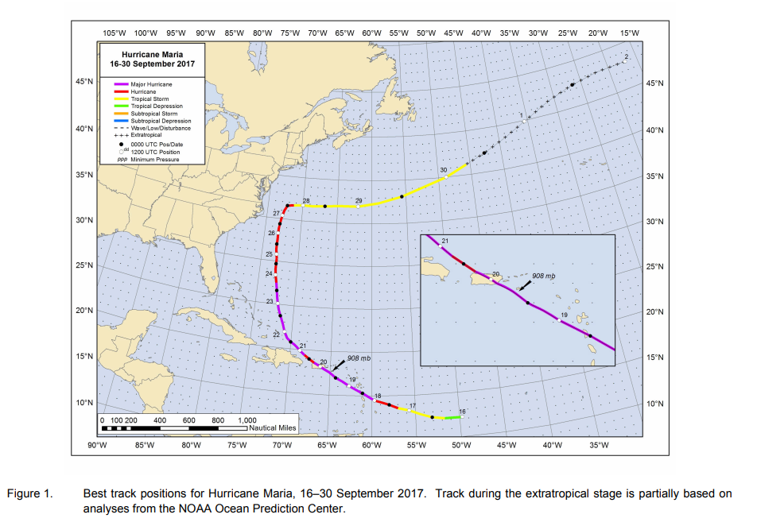
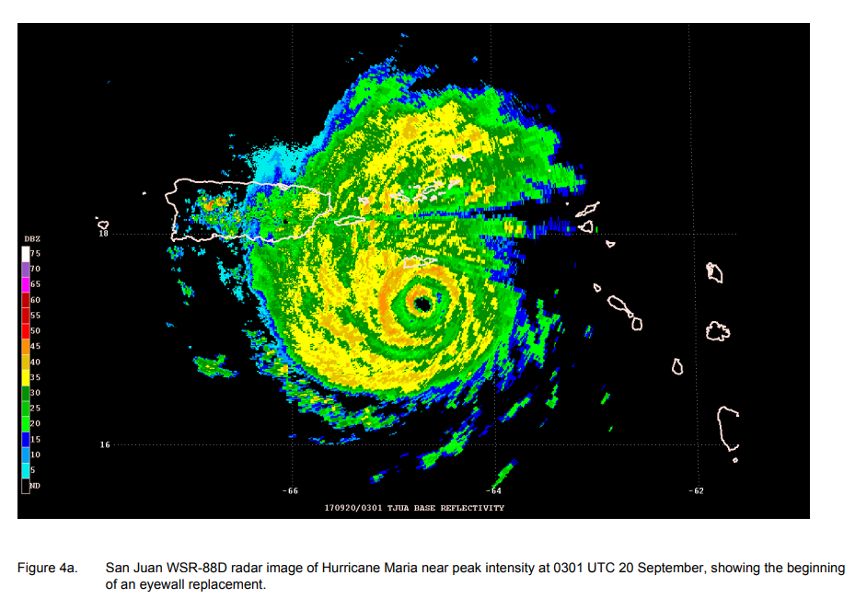
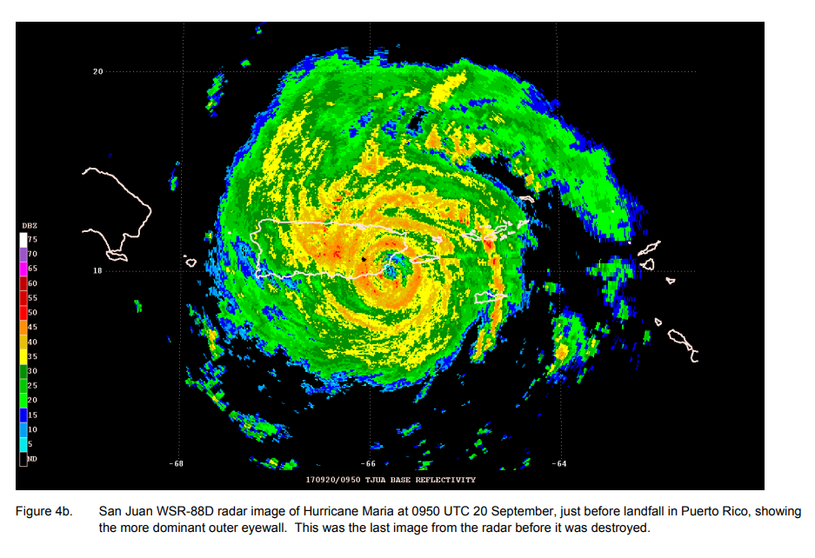
https://www.nhc.noaa.gov/data/tcr/AL152017_Maria.pdf

NanoDrop
Sample ID | 260 | 280 | 260/280 | 260/230 | Concentration ng/ul
A10 | 1.116 | 0.528 | 2.11 | 0.42 | 55
A12 | 1.438 | 0.744 | 1.93 | 0.31 | 71.9
A13 | 2.126 | 1.036 | 2.05 | 0.53 | 106
Concentration ng/ul
A14 | 1.387 | 0.684 | 2.03 | 0.28 | 69.4
A15 | 4.554 | 2.188 | 2.08 | 1.22 | 227.7
A2 | 4.327 | 2.145 | 2.02 | 1.02 | 216
A3 | 1.336 | 0.657 | 2.04 | 0.19 | 66.8
A5 | 1.525 | 0.795 | 1.92 | 0.76 | 76.3
A7 | 3.462 | 1.671 | 2.07 | 0.9 | 173
A9 | 3.509 | 1.677 | 2.09 | 0.96 | 175
B2 | 1.996 | 0.929 | 2.15 | 0.48 | 99.8
B3 | 6.823 | 3.224 | 2.12 | 1.38 | 341.1
B5 | 1.163 | 0.522 | 2.23 | 0.35 | 58
B6 | 2.711 | 1.366 | 1.98 | 0.78 | 135.6
C1 | 2.886 | 1.445 | 2 | 0.62 | 144
C2 | 1.545 | 0.713 | 2.17 | 0.47 | 77.3
C3 | 2.516 | 1.212 | 2.08 | 0.49 | 125.8
C5 | 1.701 | 0.87 | 1.96 | 0.52 | 85.1
C6 | 5.45 | 2.596 | 2.1 | 1.26 | 272.5
D1 | 2.037 | 0.966 | 2.11 | 1.24 | 101.9
D2 | 1.005 | 0.505 | 1.99 | 0.24 | 50.2
D4 | 3.75 | 1.84 | 2.04 | 0.81 | 187.5
D6 | 2.062 | 1.018 | 2.03 | 0.66 | 103.1
D5 | 2.787 | 1.392 | 2 | 0.55 | 139.3
E3 | 2.731 | 1.33 | 2.05 | 0.36 | 136.6
E10 | 1.926 | 0.999 | 1.93 | 0.5 | 96.3
E11 | 2.058 | 1.013 | 2.03 | 0.24 | 102.9
E12 | 3.195 | 1.637 | 1.95 | 0.7 | 159.7
E2 | 3.357 | 1.663 | 2.02 | 0.86 | 167.8
E5 | 2.484 | 1.235 | 2.01 | 0.79 | 124.2
E6 | 2.828 | 1.424 | 1.99 | 0.54 | 141.4
E8 | 7.94 | 3.806 | 2.09 | 1.27 | 397
E9 | 3.541 | 1.718 | 2.06 | 0.26 | 177
F1 | 5.243 | 2.563 | 2.05 | 1.25 | 262.2
F13 | 1.047 | 0.497 | 2.11 | 0.1 | 52.3
F2 | 2.643 | 1.309 | 2.02 | 0.65 | 132.1
F3 | 1.903 | 0.94 | 2.02 | 0.24 | 95.2
G10 | 4.262 | 2.089 | 2.04 | 0.57 | 213.1
G11 | 1.918 | 0.959 | 2 | 0.73 | 95.9
G12 | 2.334 | 1.273 | 1.83 | 0.31 | 116.7
G13 | 4.694 | 2.315 | 2.03 | 0.4 | 234.7
G2 | 2.162 | 1.074 | 2.01 | 0.3 | 108.1
G4 | 1.571 | 0.813 | 1.93 | 0.36 | 78.5
G7 | 0.889 | 0.445 | 2 | 0.18 | 44.5
G8 | 2.535 | 1.281 | 1.98 | 0.47 | 126.8
G9 | 1.798 | 0.915 | 1.96 | 0.72 | 89.9
H4 | 2.767 | 1.427 | 1.94 | 0.63 | 138.3
H5 | 8.254 | 3.979 | 2.07 | 1.28 | 412.7
H6 | 2.866 | 1.523 | 1.88 | 0.52 | 143.3
 |  |  |  |  | 142.9625

